Time
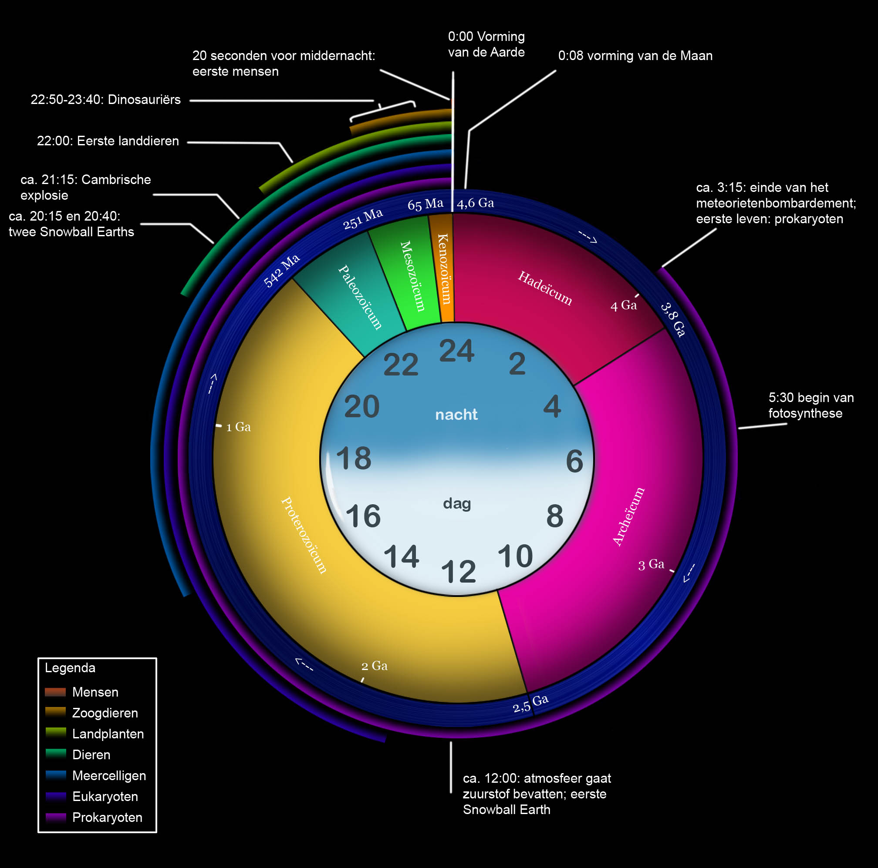
-13.5 | 100
-13 | 96.296296296
-12 | 88.888888889
-11 | 81.481481481
-10 | 74.074074074
-9 | 66.666666667
-8 | 59.259259259
-7 | 51.851851852
-6 | 44.444444444
-5 | 37.037037037
-4.5 | 33.333333333
-4 | 29.62962963
-2 | 14.814814815
-1 | 7.4074074074
-0.25 | 1.8518518519
-0.06 | 0.44444444444
-0.004 | 0.02962962963
-0.00007 | 0.00051851851852
-0.000002 | 1.4814814815E-05
-0.000001 | 7.4074074074E-06
-0.0000001 | 7.4074074074E-07
-0.000000001 | 7.4074074074E-09
0 | 1E-20
0.000000001 | 7.4074074074E-09
0.0000001 | 7.4074074074E-07
0.000001 | 7.4074074074E-06
0.25 | 1.8518518519
1 | 7.4074074074
2 | 14.814814815
3 | 22.222222222
4 | 29.62962963
5 | 37.037037037
10 | 74.074074074
15 | 111.11111111
20 | 148.14814815
25 | 185.18518519
30 | 222.22222222
35 | 259.25925926
40 | 296.2962963
45 | 333.33333333
50 | 370.37037037
55 | 407.40740741
60 | 444.44444444
65 | 481.48148148
70 | 518.51851852
75 | 555.55555556
80 | 592.59259259
85 | 629.62962963
90 | 666.66666667
95 | 703.7037037
...

